Exe 1. Control limits
Exercise 1: Quality Control - Control limits

A quality control inspector at the Crunchy Lausanne Potato Chip Company has taken ten samples with four observations each of the volume of bags filled. The data and the computed means are shown in the following table:

Sample of potato chip bag volume in kg
Sample number | Observations |  |  |  | Average
 | 1 | 2 | 3 | 4
1 | 12.5 | 12.3 | 12.6 | 12.7 | 12.525
2 | 12.8 | 12.4 | 12.4 | 12.8 | 12.6
3 | 12.1 | 12.6 | 12.5 | 12.4 | 12.4
4 | 12.2 | 12.6 | 12.5 | 12.3 | 12.4
5 | 12.4 | 12.5 | 12.5 | 12.5 | 12.475
6 | 12.3 | 12.4 | 12.6 | 12.6 | 12.475
7 | 12.6 | 12.7 | 12.5 | 12.8 | 12.65
8 | 12.4 | 12.3 | 12.6 | 12.5 | 12.45
9 | 12.6 | 12.5 | 12.3 | 12.6 | 12.5
10 | 12.1 | 12.7 | 12.5 | 12.8 | 12.525
 |  |  |  | Total | 125

If the standard deviation of the bagging operation is 0.2 kg, use the information in the table to develop control limits of 3 standard deviations for the bagging operation.

Reminder:
To compute the control limits, you must first calculate the mean of the four samples and then use the UCL and LCL formulas.

$$UCL=\overline{\overline{x}}+z σ_{\overline{(\overline{x}})}$$
$$LCL=\overline{\overline{x}}−z σ_{\overline{(\overline{x}})}$$

$\overline{\overline{x}}$: the average of the sample means
z: the standard normal variable
$σ_{\overline{(\overline{x}})}:$the standard deviation of the distribution sample means

Exe 2. Mean chart 2
Exercise 2: Quality Control - Mean Chart

A quality control inspector at the Dr. Gab's beer company has taken 25 samples with 4 observations each of the volume of bottles filled. The data and the computed means are shown in the table.

Sample volume of bottles filled in cl
Sample number | Observations |  |  |  | Average | Range
 | 1 | 2 | 3 | 4
1 | 15.85 | 16.02 | 15.83 | 15.93 | 15.91 | 0.19
2 | 16.12 | 16.00 | 15.85 | 16.01 | 16.00 | 0.27
3 | 16.00 | 15.91 | 15.94 | 15.83 | 15.92 | 0.17
4 | 16.20 | 15.85 | 15.74 | 15.93 | 15.93 | 0.46
5 | 15.74 | 15.86 | 16.21 | 16.10 | 15.98 | 0.47
6 | 15.94 | 16.01 | 16.14 | 16.03 | 16.03 | 0.20
7 | 15.75 | 16.21 | 16.01 | 15.86 | 15.96 | 0.46
8 | 15.82 | 15.94 | 16.02 | 15.94 | 15.93 | 0.20
9 | 16.04 | 15.98 | 15.83 | 15.98 | 15.96 | 0.21
10 | 15.64 | 15.86 | 15.94 | 15.89 | 15.83 | 0.30
11 | 16.11 | 16.00 | 16.01 | 15.82 | 15.99 | 0.29
12 | 15.72 | 15.85 | 16.12 | 16.15 | 15.96 | 0.43
13 | 15.85 | 15.76 | 15.74 | 15.98 | 15.83 | 0.24
14 | 15.73 | 15.84 | 15.96 | 16.10 | 15.91 | 0.37
15 | 16.20 | 16.01 | 16.10 | 15.89 | 16.05 | 0.31
16 | 16.12 | 16.08 | 15.83 | 15.94 | 15.99 | 0.29
17 | 16.01 | 15.93 | 15.81 | 15.68 | 15.86 | 0.33
18 | 15.78 | 16.04 | 16.11 | 16.12 | 16.01 | 0.34
19 | 15.84 | 15.92 | 16.05 | 16.12 | 15.98 | 0.28
20 | 15.92 | 16.09 | 16.12 | 15.93 | 16.02 | 0.20
21 | 16.11 | 16.02 | 16.00 | 15.88 | 16.00 | 0.23
22 | 15.98 | 15.82 | 15.89 | 15.89 | 15.90 | 0.16
23 | 16.05 | 15.73 | 15.73 | 15.93 | 15.86 | 0.32
24 | 16.01 | 16.01 | 15.89 | 15.86 | 15.94 | 0.15
25 | 16.08 | 15.78 | 15.92 | 15.98 | 15.94 | 0.30
 |  |  |  | Total | 398.67 | 7.17

1) If the standard deviation of the bottling operation is 0.14 cl, use this information to develop control limits of 3 standard deviations for the bottling operation. Before developing control limits and constructing the chart, calculate the mean of all 25 samples. This will be the center line of the control data. Then compute the upper and lower control limits. To complete the control chart, notice that you actually plot sample means, not individual samples.

2) A quality control inspector at Cocoa Fizz is using the data from Example 6.1 to develop control limits. If the average range (R-bar) for the 25 samples is 0.29 cl (computed as 7.17/25) and the average mean (x-bar-bar) of the observations is 15.95 cl, develop 3-sigma control limits for the bottling operation. To compute control limits from the sample range, remember that you need to look up the value of factor A2 from the table below.

Reminder:
To compute the control limits, you must first calculate the mean of the four samples and then use the UCL and LCL formulas.

$$UCL=\overline{\overline{x}}+z σ_{\overline{x}}$$
$$LCL=\overline{\overline{x}}−z σ_{\overline{x}}$$
or
$$UCL=\overline{\overline{x}}+A_{2} \overline{R}$$
$$LCL=\overline{\overline{x}}− A_{2} \overline{R}$$

$\overline{\overline{x}}$: the average of the sample means
z: the standard normal variable
$σ_{\overline{(\overline{x}})}:$the standard deviation of the distribution sample means
$\overline{R}$: Average range of the sample

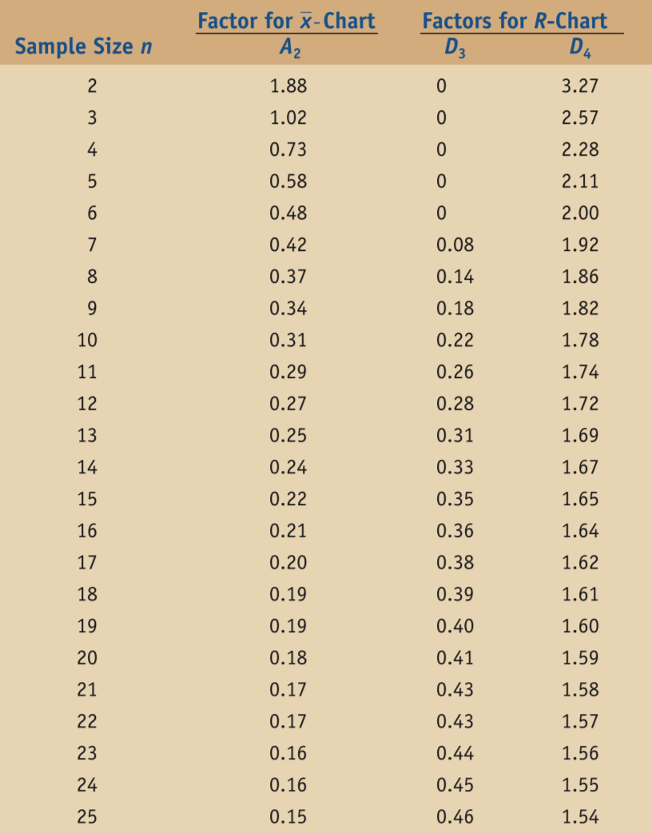

Exe 3. Range Chart
Exercise 3: Quality Control - Range Chart

A quality control inspector at the Dr. Gab's beer company has taken 25 samples with 4 observations each of the volume of bottles filled. The data and the computed means are shown in the table.

Sample volume of bottles filled in cl
Sample number | Observations |  |  |  | Average | Range
 | 1 | 2 | 3 | 4
1 | 15.85 | 16.02 | 15.83 | 15.93 | 15.91 | 0.19
2 | 16.12 | 16.00 | 15.85 | 16.01 | 16.00 | 0.27
3 | 16.00 | 15.91 | 15.94 | 15.83 | 15.92 | 0.17
4 | 16.20 | 15.85 | 15.74 | 15.93 | 15.93 | 0.46
5 | 15.74 | 15.86 | 16.21 | 16.10 | 15.98 | 0.47
6 | 15.94 | 16.01 | 16.14 | 16.03 | 16.03 | 0.20
7 | 15.75 | 16.21 | 16.01 | 15.86 | 15.96 | 0.46
8 | 15.82 | 15.94 | 16.02 | 15.94 | 15.93 | 0.20
9 | 16.04 | 15.98 | 15.83 | 15.98 | 15.96 | 0.21
10 | 15.64 | 15.86 | 15.94 | 15.89 | 15.83 | 0.30
11 | 16.11 | 16.00 | 16.01 | 15.82 | 15.99 | 0.29
12 | 15.72 | 15.85 | 16.12 | 16.15 | 15.96 | 0.43
13 | 15.85 | 15.76 | 15.74 | 15.98 | 15.83 | 0.24
14 | 15.73 | 15.84 | 15.96 | 16.10 | 15.91 | 0.37
15 | 16.20 | 16.01 | 16.10 | 15.89 | 16.05 | 0.31
16 | 16.12 | 16.08 | 15.83 | 15.94 | 15.99 | 0.29
17 | 16.01 | 15.93 | 15.81 | 15.68 | 15.86 | 0.33
18 | 15.78 | 16.04 | 16.11 | 16.12 | 16.01 | 0.34
19 | 15.84 | 15.92 | 16.05 | 16.12 | 15.98 | 0.28
20 | 15.92 | 16.09 | 16.12 | 15.93 | 16.02 | 0.20
21 | 16.11 | 16.02 | 16.00 | 15.88 | 16.00 | 0.23
22 | 15.98 | 15.82 | 15.89 | 15.89 | 15.90 | 0.16
23 | 16.05 | 15.73 | 15.73 | 15.93 | 15.86 | 0.32
24 | 16.01 | 16.01 | 15.89 | 15.86 | 15.94 | 0.15
25 | 16.08 | 15.78 | 15.92 | 15.98 | 15.94 | 0.30
 |  |  |  | Total | 398.67 | 7.17

1) You would like to develop a range (R) chart in order to monitor volume dispersion in the bottling process. Use the dataabove to develop control limits for the sample range. To develop control limits for the sample range, first compute the average range of all 25 samples. Then use Table below to develop upper and lower control limits. To complete the control chart, you plot the sample ranges.

Reminder:
To compute the control limits, you must first calculate the average range and then use the UCL and LCL formulas.

$$CD=\overline{R}$$
$$UCL=D_{4} \overline{R}$$
$$UCL=D_{3} \overline{R}$$

$\overline{R}$: Average range of the sample

Exe 4. P Chart
Exercise 4: Quality Control - p-Chart

A production manager at a tire manufacturing plant has inspected the number of defective tires in 20 random samples with 20 observations each. Following are the number of defective tires found in each sample:

Sample volume of bottles filled in cl
Sample number | # of defective tires | # of observtions sampled | Fraction defective

1 | 3 | 20 | 0.15
2 | 2 | 20 | 0.10
3 | 1 | 20 | 0.05
4 | 2 | 20 | 0.10
5 | 1 | 20 | 0.05
6 | 3 | 20 | 0.15
7 | 3 | 20 | 0.15
8 | 2 | 20 | 0.10
9 | 1 | 20 | 0.05
10 | 2 | 20 | 0.10
11 | 3 | 20 | 0.15
12 | 2 | 20 | 0.10
13 | 2 | 20 | 0.10
14 | 1 | 20 | 0.05
15 | 1 | 20 | 0.05
16 | 2 | 20 | 0.10
17 | 4 | 20 | 0.20
18 | 3 | 20 | 0.15
19 | 1 | 20 | 0.05
20 | 1 | 20 | 0.05
Total | 40.00 | 400.00

Construct a 3-sigma control chart (z=3) with this information. To solve this problem, you should use a p-chart because both the total sample size and the number of defects are provided.

Reminder:
To compute the control limits, you must first calculate the mean of the four samples and then use the UCL and LCL formulas.

$$UCL=\overline{p}+z σ_{p}$$
$$LCL=\overline{p}−z σ_{p}$$
$σ_{p}=√(\overline{p}(1−\overline{p}$)/n)

$\overline{p}$: the sample proportion defective
z: the standard normal variable
$σ_{p}:$the standard deviation of the average proportion defective

Exe 5. C Chart
Exercise 5: Quality Control - C Chart

The number of weekly customer complaints are monitored at a large hotel using a Control Chart. Complaints have been recorded over the past 20 weeks. Develop 3-sigma control limits using the following data:

Week | # of complaints
1 | 3
2 | 2
3 | 3
4 | 1
5 | 3
6 | 3
7 | 2
8 | 1
9 | 3
10 | 1
11 | 3
12 | 4
13 | 2
14 | 1
15 | 1
16 | 1
17 | 3
18 | 2
19 | 2
20 | 3

$$UCL=\overline{c}+z √\overline{c}$$
Reminder:
$$LCL=\overline{c}−z √\overline{c}$$

$\overline{c}$: the average number of complaints

Exec 6. Process Capability -Cp
Exercise 6: Quality Control - Process capability

Three bottling machine of Dr Gab's beer are being evaluated for their capability. If specifications are set between 15.8 and 16.2 ounces, determine which of the machines are capable of producing within specifications.

Bottling machine | Standard deviation
A | 0.05
B | 0.1
C | 0.2

Reminder:
To solve this problem, you need to compute the process capability index, Cp, for each machine. The machine with a Cp value at or above 1 is capable of producing within specifications.

$$C_{p}=\frac{USL−LSL}{6 σ}$$

with USL and LSL respectively the upper and lower specifaction limit

Exe 7. Process Capability Cpk
Exercise 7: Quality Control - Process capability
...
Process | Mean | Standard deviation | Lower spec | Upper spec
1 | 7.5 | 0.1 | 7 | 8
2 | 4.6 | 0.12 | 4.3 | 4.9
3 | 6 | 0.14 | 5.5 | 6.7

Reminder:
To solve this problem, you need to compute the process capability index, Cp, or Cpk depending on the process.

$$C_{p}=\frac{USL−LSL}{6 σ}$$

$$C_{pk}=\min{(}\frac{MEAN−LSL}{3 σ}, \frac{USL−MEAN}{3 σ})$$

with USL and LSL respectively the upper and lower specifaction limit

